Playoff Bracket
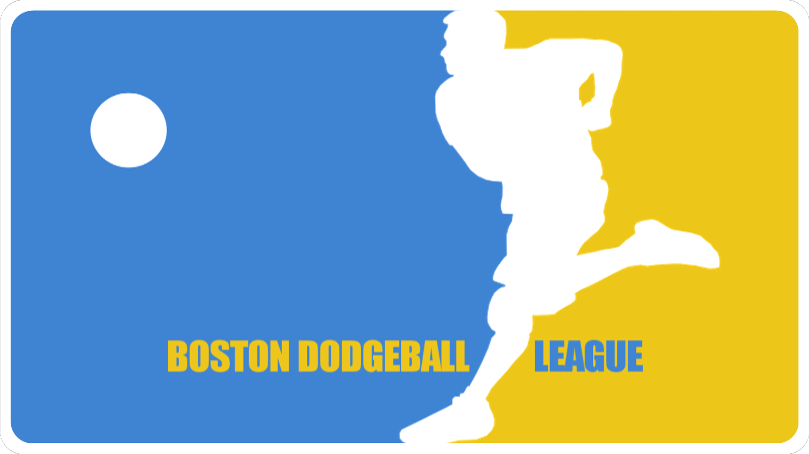
Winner's Bracket

 |  | Red Rockets

 |  |  | Red Rockets
 | Grey Geese
 |  | Grey Geese
 | ThrowBo Cop
 |  |  |  |  |  | Black Magic
 | Black Magic
 |  | Black Magic
 | Boston Buzz
 |  |  | Black Magic
 | Guac N' Roll
 |  | We Blue It |  |  |  |  | Grey Geese
 | We Blue It

 |  |  |  |  | Grey Geese

Consolation Bracket |  |  | Red Rockets

 |  |  |  | Guac N' Roll |  | Grey Geese
 |  | Boston Buzz
 |  |  | Guac N' Roll
 |  | Guac N' Roll |  |  |  |  |  | Black Magic
 |  |  |  |  | Guac N' Roll

 |  |  | ThrowBo Cop

 |  |  |  | We Blue It

 |  |  | We Blue It |  |  |  | Black Magic

